Funnel Overview
event_name | US Helper Column | US_subs | US_perc_drop | India Helper Column | India_subs | India_perc_drop | Canada Helper Column | Canada_subs | Canada_perc_drop | Full_perc
view_item | 0 | 174796 | 100 | 0 | 34089 | 100 | 0 | 29141 | 100 | 100
add_to_cart | 74308 | 26180 | 15 | 14413 | 5263 | 15 | 12262 | 4617 | 16 | 15
begin_checkout | 78911 | 16974 | 10 | 15366.5 | 3356 | 10 | 12984.5 | 3172 | 11 | 10
add_shipping_info | 83064.5 | 8667 | 5 | 16171.5 | 1746 | 5 | 13778 | 1585 | 5 | 5
add_payment_info | 84342 | 6112 | 3 | 16415.5 | 1258 | 4 | 14023.5 | 1094 | 4 | 4
purchase | 86157.5 | 2481 | 1 | 16779.5 | 530 | 2 | 14337.5 | 466 | 2 | 1

United States

India

Canada

Funnel Analysis
Event_name | US Helper Column | United States | India Helper Column | India | Canada Helper Column | Canada | Full_Perc | United States_perc_drop | India_perc_drop | Canada_perc_drop
view_item | 0 | 174796 | 0 | 34089 | 0 | 29141 | 100.00% | 100.00% | 100.00% | 100.00%
add_to_cart | 74308 | 26180 | 14413 | 5263 | 12262 | 4617 | 26.36% | 14.98% | 15.44% | 15.84%
begin_checkout | 78911 | 16974 | 15366.5 | 3356 | 12984.5 | 3172 | 21.78% | 9.71% | 9.84% | 10.89%
add_shipping_info | 83064.5 | 8667 | 16171.5 | 1746 | 13778 | 1585 | 17.62% | 4.96% | 5.12% | 5.44%
add_payment_info | 84342 | 6112 | 16415.5 | 1258 | 14023.5 | 1094 | 16.34% | 3.50% | 3.69% | 3.75%
purchase | 86157.5 | 2481 | 16779.5 | 530 | 14337.5 | 466 | 14.53% | 1.42% | 1.55% | 1.60%

 |  |  |  |  |  |  | - The top 3 performing countries, ranked by purchases, are USA, India and Canada

 |  |  |  |  |  |  | -Perc_drop from one event to the next is similar across countries

 |  |  |  |  |  |  | - A sharp decline in customers between view item to add_to_cart could be either attributed to unavailability of products customers might be interested in.

 |  |  |  |  |  |  | -An intervention is needed to check the sharp decline of customers between these two events

Percentage Retention Funnel for Top 3 Countries

Sales Funnel For Top 3 Countries

New Year AB Test
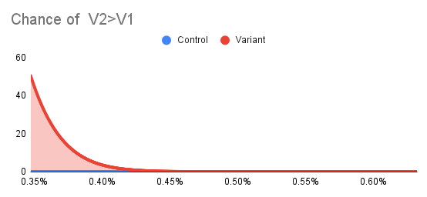
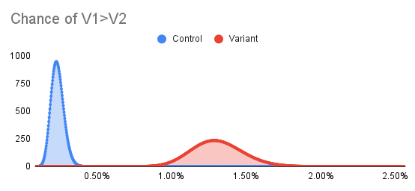
campaign | month | Impressions | clicks | Click_through_rate | COV% | Uplift
NewYear_V1 | 202101 | 4430 | 57 | 0.012866817156 | 1.29%
NewYear_V2 | 202101 | 13039 | 30 | 0.0023007899379 | 0.23% | -84.02%
BlackFriday_V1 | 202011 | 8220 | 6 | 0.0007299270073 | 0.07% | -35.68%
BlackFriday_V2 | 202011 | 24276 | 15 | 0.00061789421651 | 0.06%

 |  |  |  |  |  |  | A/B Test -New Year Sales
Null hypothesis : There is no difference between V1 and V2
Alternative Hypothesis | Probabilities NewYear | Significance | P value | Probabilities BlackFriday | Significance | P value | - The test variation leads to lower conversion, although there is an increased number of visitors to the page. There is a 0% chance that V2 performs better tha V1
Chance of V2>V1 | 0 | Yes | 1 | 33.07% | No | 0.6299
Chance of V1>V2 | 100.00% | Yes | 0.03 | 67.03% | No | 0.3701 | A/B Test- Black Friday
 |  |  |  |  |  |  | - The test variation does not lead to a signifcant conversion, despite the increased visitors and page views.
 |  |  |  |  |  |  | -The binomial distribution is similar, suggestion that events downstream to site visit may be affecting conversion.

New Year Statistics

Black Friday AB Test
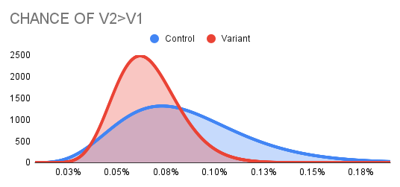
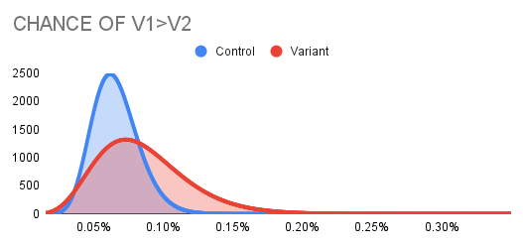
campaign | month | Impressions | clicks | Click_through_rate | COV% | Uplift
NewYear_V1 | 202101 | 4430 | 57 | 0.012866817156 | 1.29%
NewYear_V2 | 202101 | 13039 | 30 | 0.0023007899379 | 0.23%
BlackFriday_V1 | 202011 | 8220 | 6 | 0.0007299270073 | 0.07%
BlackFriday_V2 | 202011 | 24276 | 15 | 0.00061789421651 | 0.06%

Null hypothesis : There is no difference between V1 and V2
Alternative Hypothesis | Probabilities NewYear | Significance | P value | Probabilities BlackFriday | Significance | P value
Chance of V2>V1 | 0 | Yes | 1 | 33.07% | No | 0.6299
Chance of V1>V2 | 100.00% | Yes | 0 | 67.03% | No | 0.3701

BLACK FRIDAY STATISTICS

